Tasks
 | Student ID | Full name | Task Description | Hours | Evidence (screenshots of chat messages, of Git commits... proving that you perform and finish the task)
1 | 21125126 | Võ Trần Hà Nguyên | Create and structure full database for testing. | 2 | 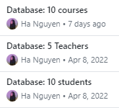
2 | 21125126 | Võ Trần Hà Nguyên | Implement function for staff to add new schoolyears. | 4
3 | 21125126 | Võ Trần Hà Nguyên | Create a semester: 1, 2, or 3, school year, start date, end date. | 2
4 | 21125126 | Võ Trần Hà Nguyên | Implement function for staff to add new courses to a semester. | 2
5 | 21125126 | Võ Trần Hà Nguyên | Course registration | 2
6 | 21125126 | Võ Trần Hà Nguyên | Choose the school year that the newly created semester belongs to | 2
7 | 21125126 | Võ Trần Hà Nguyên | Implement function to view a specific scoreboard. | 3 | 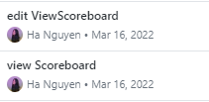
8 | 21125126 | Võ Trần Hà Nguyên | Implement function to output students' details to database. | 2
9 | 21125126 | Võ Trần Hà Nguyên | Implement function to input students' details from database. | 2
10 | 21125126 | Võ Trần Hà Nguyên | Implement function to output lecturers' details to database. | 2
11 | 21125126 | Võ Trần Hà Nguyên | Implement function to input lecturers' details from database. | 2
12 | 21125126 | Võ Trần Hà Nguyên | Video demo voiceover | 1
13 | 21125142 | Võ Quang Trường | Implement functions to input scoreboards' details from database. | 1
14 | 21125142 | Võ Quang Trường | Implement functions to output scoreboards' details to database. | 1
15 | 21125142 | Võ Quang Trường | Implement functions to input staffs' details from database. | 0.5
16 | 21125142 | Võ Quang Trường | Implement functions to output staffs' details to database. | 0.5
17 | 21125142 | Võ Quang Trường | Implement function to view a specific course's details. | 1.5
18 | 21125142 | Võ Quang Trường | Implement function for login session and account-related stuffs. | 5
19 | 21125142 | Võ Quang Trường | Implement function to find a specific account, included in the account's struct. | 4
20 | 21125142 | Võ Quang Trường | Create console's interface and fix bugs in terms of console's interface. | 10
21 | 21125142 | Võ Quang Trường | Create main menu and add functions for staffs. | 1
22 | 21125142 | Võ Quang Trường | Create main menu and add functions for students. | 1
23 | 21125142 | Võ Quang Trường | Implement function to change password of the current account. | 0.5
24 | 21125142 | Võ Quang Trường | Implement functions to view students' details of a specific course or class. | 1
25 | 21125142 | Võ Quang Trường | In charge of formattig report in LATEX. | 6 | 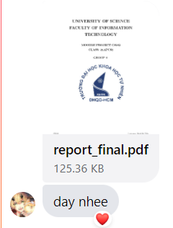
26 | 21125079 | Nguyễn Ngọc Long | Implement functions to input accounts' details from database. | 0.25
27 | 21125079 | Nguyễn Ngọc Long | Implement functions to output accounts' details to database. | 0.25
28 | 21125079 | Nguyễn Ngọc Long | Add additional functions to input/output date structure. | 0.25
29 | 21125079 | Nguyễn Ngọc Long | Implement additional function to view date (format dd/mm/yyyy). | 0.25
30 | 21125079 | Nguyễn Ngọc Long | Implement function to view a specific account's details. | 0.5
31 | 21125079 | Nguyễn Ngọc Long | Implement function to view a specific list of classes' details. | 1
32 | 21125079 | Nguyễn Ngọc Long | Implement function to update a specfic scoreboard's details in terms of scores. | 1
33 | 21125079 | Nguyễn Ngọc Long | Implement function for students to delete one of their enrolled course. | 1
34 | 21125079 | Nguyễn Ngọc Long | Implement function to view a specific course's list of scoreboards' details. | 1
35 | 21125079 | Nguyễn Ngọc Long | Implement functions to add a new scoreboard, and update a specific student scoreboard. Create additional searching tools. | 2
36 | 21125079 | Nguyễn Ngọc Long | Implement functions to export scoreboards' details of a specific course to a CSV file. | 0.5
37 | 21125079 | Nguyễn Ngọc Long | Implement functions to import scoreboards' details of a specific course from a CSV file. | 1
38 | 21125079 | Nguyễn Ngọc Long | Implement function to input first year students' details from a CSV file. | 1
39 | 21125079 | Nguyễn Ngọc Long | Optimize functions for console's interface uses and fix bugs in terms of functions. | 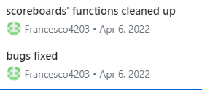 25
40 | 21125079 | Nguyễn Ngọc Long | Compile report. | 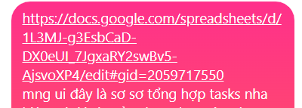 1
41 | 21125041 | Đặng Hoàng Nhật Hưng | Initialize project: create git commit. | 1 | 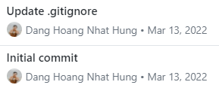
42 | 21125041 | Đặng Hoàng Nhật Hưng | Create project's subfiles. | 0.5
43 | 21125041 | Đặng Hoàng Nhật Hưng | Initialize structs. | 1.5
44 | 21125041 | Đặng Hoàng Nhật Hưng | Implement functions to input schoolyears and corresponding courses from database. | 0.5
45 | 21125041 | Đặng Hoàng Nhật Hưng | Implement functions to output schoolyears and corresponding courses to database. | 0.5
46 | 21125041 | Đặng Hoàng Nhật Hưng | Implement function for student to register a course. | 1
47 | 21125041 | Đặng Hoàng Nhật Hưng | Implement function for staff to update a specific course's information. | 1
48 | 21125041 | Đặng Hoàng Nhật Hưng | Implement functions to input all information from database, using previous input functions. | 1.5
49 | 21125041 | Đặng Hoàng Nhật Hưng | Implement functions to output all information to database, using previous output functions. | 1
50 | 21125041 | Đặng Hoàng Nhật Hưng | Create and structure a few database for testing. | 0.25
51 | 21125041 | Đặng Hoàng Nhật Hưng | Implement additional function to get the current date. | 0.25
52 | 21125041 | Đặng Hoàng Nhật Hưng | Implement additional searching tool for class. | 0.5
53 | 21125041 | Đặng Hoàng Nhật Hưng | Implement function to view a specific list of students' details | 1
54 | 21125041 | Đặng Hoàng Nhật Hưng | Create GUI's interface. | 30

